PKG BOMs (BOARD) pack1
HANESbrands INC. PACKAGING SPECIFICATIONS |  |  |  |  |  |  |  |  | PACKAGING BILL OF MATERIAL DETAILS
PACKAGING BOM
SELLING STYLE: | UG40AS. WP |  |  |  | ISSUE DATE : | 2015-01-22 | REVISED DATE : | 2013-09-25 | PAGE PACK1
PACKAGING TYPE |  |  |  | (APS)
BOARD | SIZE | PART # | QTY / PKG | QTY / DOZ PKGS | DESCRIPTION | MATERIAL
 | 6,7,8,9,10 | AHJRX5 | 1 | 12 | Style UG40 Beauty By Bali Target P4 Brief Carton UW

SIZE STICKER |  |  |  | (APS) |  | Placement of Sticker: See picture Below
 | SIZE | PART # | QTY / PKG | QTY / DOZ PKGS | DESCRIPTION
 | 6 | ASC935 | 1 | 12 | Size Sticker
 | 7 | ASC936 | 1 | 12 | Size Sticker
 | 8 | ASC937 | 1 | 12 | Size Sticker
 | 9 | ASC938 | 1 | 12 | Size Sticker

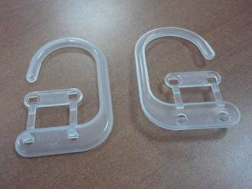
Plastic Hook |  |  |  | (APS) |  | Placement of Hook: Header Hole see in below picture
 | SIZE | PART # | QTY / PKG | QTY / DOZ PKGS | DESCRIPTION
 | all | AN204 | 1 | 12 | Plastic Hook

STICKER |  |  |  | (APS) |  | Placement of Sticker:
 | SIZE | PART # | QTY / PKG | QTY / DOZ PKGS | DESCRIPTION | This sticker is to be placed on the back of the package to secure from sliding around. This needs to be placed underneath the UPC sticker. See pictures below for placement
 | all | ASE845 | 1 | 12 | 2.25" x 2.25" clear acetate sticker

STICKER |  |  |  | (APS) |  | Placement of Sticker:
 | SIZE | PART # | QTY / PKG | QTY / DOZ PKGS | DESCRIPTION | This sticker is to be placed on the back in the upper right hand next to the hook
 | all | ASH360 | 1 | 12 | White Perf Price sticker $15.99

FOLDING INSTRUCTIONS

Place the hook in the peg hole of the package before folding the garments, hook should always point to the left when package facing to the front.
PDF is for sticker placement only does not represent package art.
v | Use Method | XF20 | on How To Fold tab pack2
v
v
Place size sticker in right upper corner. The size printed at the top of the sticker wiill wrap over to the top spine of the package
v
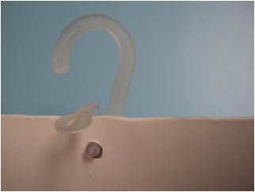
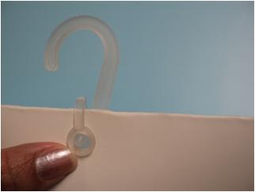
v
v
v
v
v
v
v
v | PLACE SIZE, AND UPC STICKERS IN DESIGNATED AREAS (SEE BELOW)

 | Package Dimensions for Cube: (See "How to measure document" on zone)
 | All measurements are +/- .25" |  |  |  |  |  | PLACE IMAGE OF FINISHED PKG HERE
 |  | Finished | Finished | Finished | Pkg
 | Size | Length: | Width: | Depth: | Weight
 | All | 9" | 5" | 1.5" | 0.38

Secure strap connection with the UPC sticker in white block area

Apply Clear sticker half on board and half on the slide to secure slide from movement.

 |  | SEE PACKAGING HISTORY-pack5 FOR PREVIOUS PACKAGING PART NUMBERS
Confidential- Not to be copied or distributed without written permission of Hanesbrands, Inc.

UWMCH3U Mass H UPC 2.25x1.75
HANESbrands INC. PACKAGING SPECIFICATIONS |  |  |  |  |  |  |  | UPC INFORMATION
PACKAGING BOM |  |  |  |  |  |  | PAGE | PACK3
SELLING STYLE: | UG40AS. WP |  |  | ISSUE DATE : | 2015-01-22 | REVISED DATE :

UPC CODES | STYLE # | SIZE
043935822583 | UG40AS | 5
043935822590 | UG40AS | 6
043935822606 | UG40AS | 7
043935822613 | UG40AS | 8
043935822620 | UG40AS | 9

043935822637 | UG40WP | 5
043935822644 | UG40WP | 6
043935822651 | UG40WP | 7
043935822668 | UG40WP | 8
043935822675 | UG40WP | 9

 |  |  | UWMCH3U
 |  |  | Underwear Mass Horizontal 2.25 x 1.75
 |  |  | UPC SAMPLE FORMAT

Refernece garment Label for COO and Fiber Content.
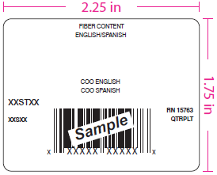

Content Example:
75% COTTON/ ALGODÓN,
25% POLYESTER/ POLIÉSTER
Assortment Content Example:
SOLIDS: 100% COTTON/ ALGODÓN
HEATHERS: 75% COTTON/ ALGODÓN,
25% POLYESTER/ POLIÉSTER

Example of how to print COO:
MADE IN DOMINICAN REPUBLIC
HECHO EN REPÚBLICA DOMINICANA

SEE MATERIAL SPEC FOR ASE737 FOR REFERENCE (ASE738 opaque cover-up sticker):
Plant will need to indicate the correct sticker orientation on the roll as well as multiple put up needs specific to the finishing facilities printing equipment.

CASE Page
HANESbrands INC. PACKAGING SPECIFICATIONS |  |  |  |  |  |  |  |  |  |  |  |  |  |  | CASING DETAILS
PACKAGING BOM |  |  |  |  |  |  |  |  |  |  |  |  |  | PAGE | PACK4
SELLING STYLE: | UG41AS, WP |  |  | PACK COUNT: | 4 |  |  | ISSUE DATE : |  | 2015-01-22 |  | REVISED DATE : |  | 2015-03-12

PACKAGING MATERIAL |  | USAGE |  | DC Cases/ | Grmts/ |  |  |  |  | USAGE / DOZ PKGS
 |  | UOM | PART# | Pallet | Pallet | SIZE | 6 | 7 | 8 | 9 | 10
Master Carton |  | ea | PC830 |  |  | -- | 1.0000 | 1.0000 | 1.0000 | 1.0000 | 1.0000 | -- | -- | -- | --
Master Carton |  | ea |  |  |  | -- | -- | -- | -- | -- | -- | -- | -- | -- | --
Baler Bag (first)( gmt/bag) |  |  | XXXXXX |  | -- | -- | -- | -- | -- | -- | -- | -- | -- | -- | --
Case Label & Ribbon Part # (DO NOT LOAD IN APS) |  | ea | ASB925 |  | -- | -- | -- | -- | -- | -- | -- | -- | -- | -- | --
Case Tape Part # Printed (DO NOT LOAD IN APS) |  |  | PPT007 |  | -- | -- | -- | -- | -- | -- | -- | -- | -- | -- | --
Case Tape Part # Clear (DO NOT LOAD IN APS) |  |  | PPT008 |  | -- |  | -- | -- | -- | -- | -- | -- | -- | -- | --
CASING DETAILS
 |  |  |  |  |  | SIZE | 6 | 7 | 8 | 9 | 10 | 0 | 0 | 0 | 0
FIRST QUALITY |  |  |  |  | PKGS / CASE |  | 12 | 12 | 12 | 12 | 12
UG41AS, WP |  |  |  |  | PKG WEIGHT (LBS) |  | 0.38 | 0.38 | 0.38 | 0.38 | 0.38
 |  |  |  |  | INNER WEIGHT (LBS) |  | 4.56 | 4.56 | 4.56 | 4.56 | 4.56
 |  |  |  |  | CASE WEIGHT (LBS) |  | 6.06 | 6.06 | 6.06 | 6.06 | 6.06
 |  |  |  |  | GARMENTS / CASE |  | 48 | 48 | 48 | 48 | 48
 |  |  |  |  | 1 DOZ GARMENT WEIGHT (LBS) |  | 1.14 | 1.14 | 1.14 | 1.14 | 1.14
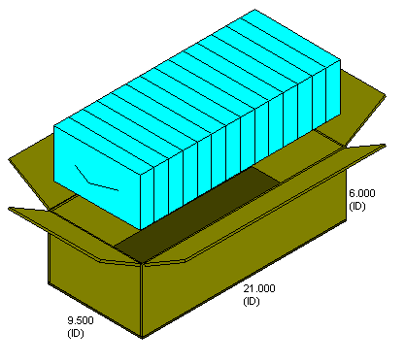

PLANT TO DC CASING INSTRUCTIONS: |  |  |  |  |  | “For styles with multiple assortments, each baler bag (inner) should contain a random assortment of packages with no two of the same of any assortment, for as many bailers as possible to achieve the percentage of assortments for the case.”
12/1 (4 DOZENS PER CASE) 12 PACKAGES PER CASE, LOOSE

PU CODE: 200

Confidential- Not to be copied or distributed without written permisson of Hanesbrands, Inc.

